Script
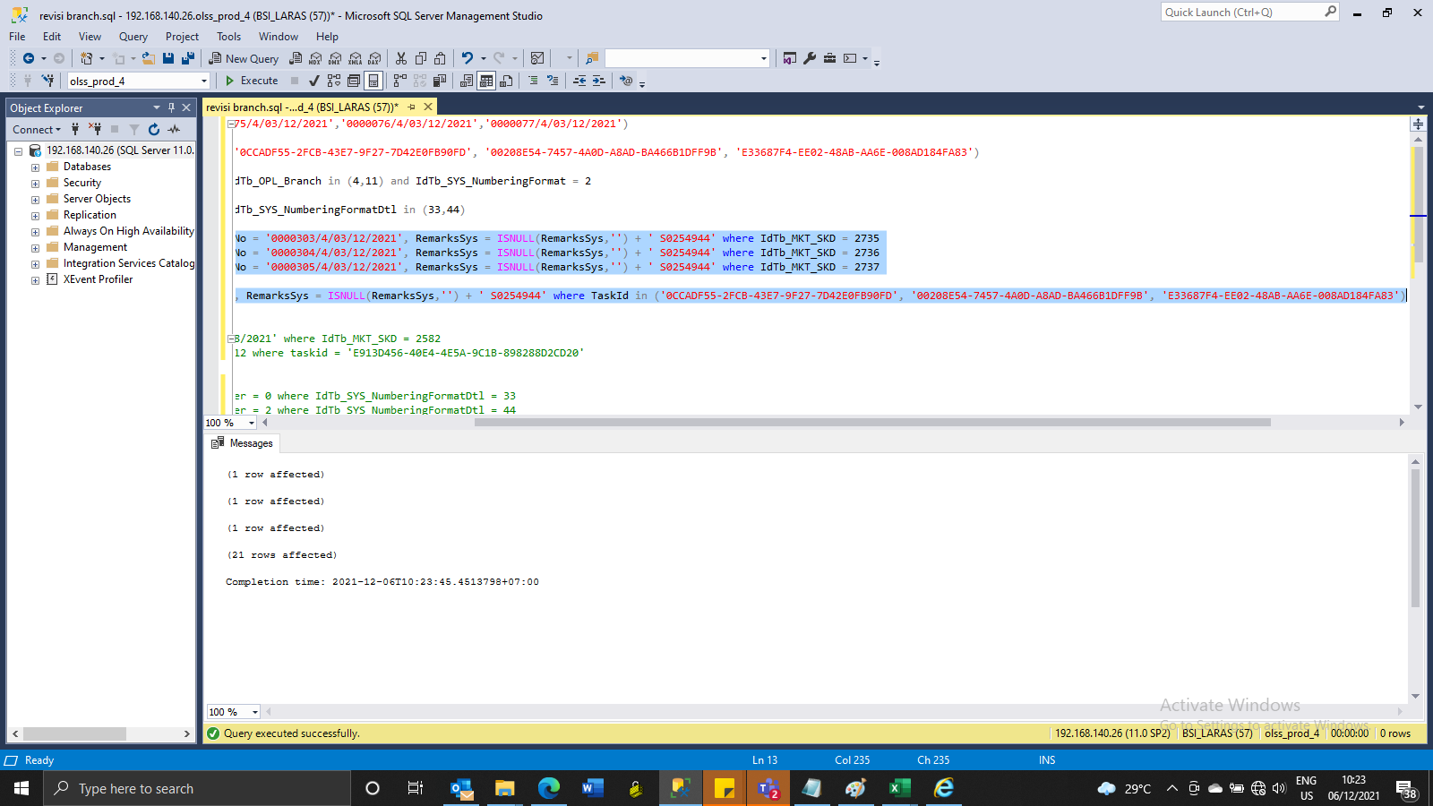
update Tb_MKT_SKD set IdTb_OPL_Branch = 11, SKDNo = '0000303/4/03/12/2021', RemarksSys = ISNULL(RemarksSys,'') + ' S0254944' where IdTb_MKT_SKD = 2735
update Tb_MKT_SKD set IdTb_OPL_Branch = 11, SKDNo = '0000304/4/03/12/2021', RemarksSys = ISNULL(RemarksSys,'') + ' S0254944' where IdTb_MKT_SKD = 2736
update Tb_MKT_SKD set IdTb_OPL_Branch = 11, SKDNo = '0000305/4/03/12/2021', RemarksSys = ISNULL(RemarksSys,'') + ' S0254944' where IdTb_MKT_SKD = 2737

update Tb_SYS_Approval set IdTb_OPL_Branch = 11, RemarksSys = ISNULL(RemarksSys,'') + ' S0254944' where TaskId in ('0CCADF55-2FCB-43E7-9F27-7D42E0FB90FD', '00208E54-7457-4A0D-A8AD-BA466B1DFF9B', 'E33687F4-EE02-48AB-AA6E-008AD184FA83')

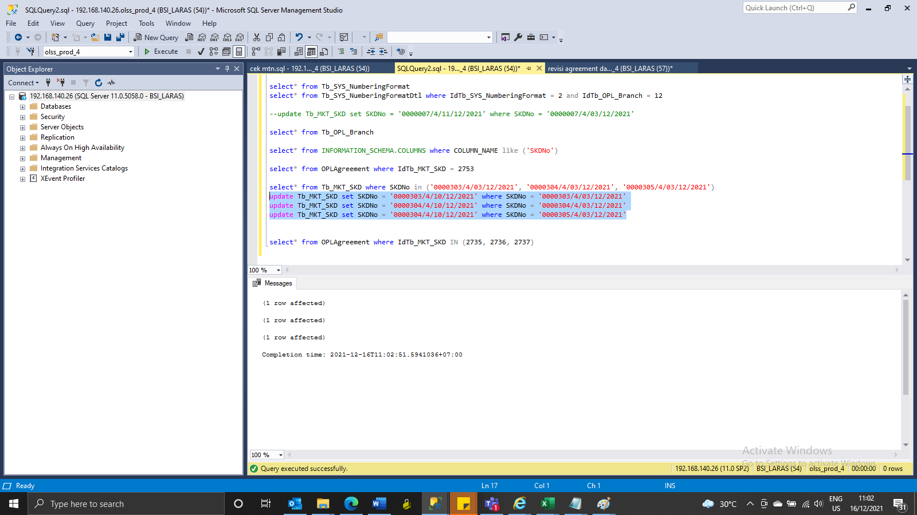
update Tb_MKT_SKD set SKDNo = '0000303/4/10/12/2021' where SKDNo = '0000303/4/03/12/2021'
update Tb_MKT_SKD set SKDNo = '0000304/4/10/12/2021' where SKDNo = '0000304/4/03/12/2021'
update Tb_MKT_SKD set SKDNo = '0000305/4/10/12/2021' where SKDNo = '0000305/4/03/12/2021'

Screenshot
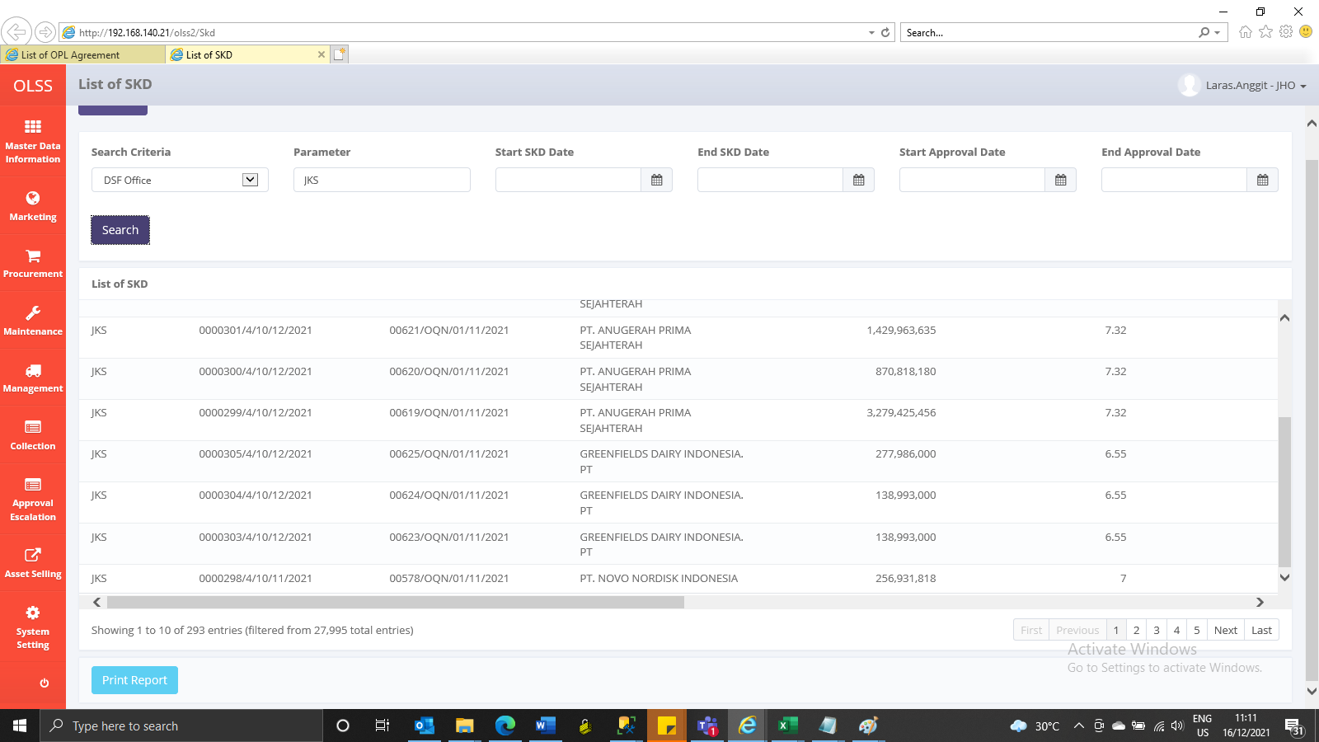
BEFORE

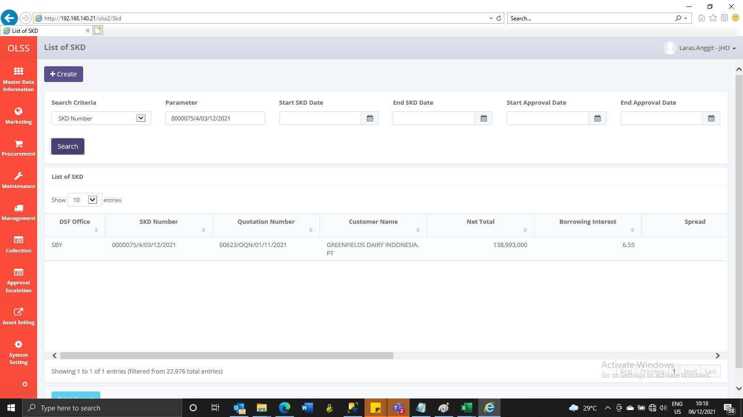



AFTER

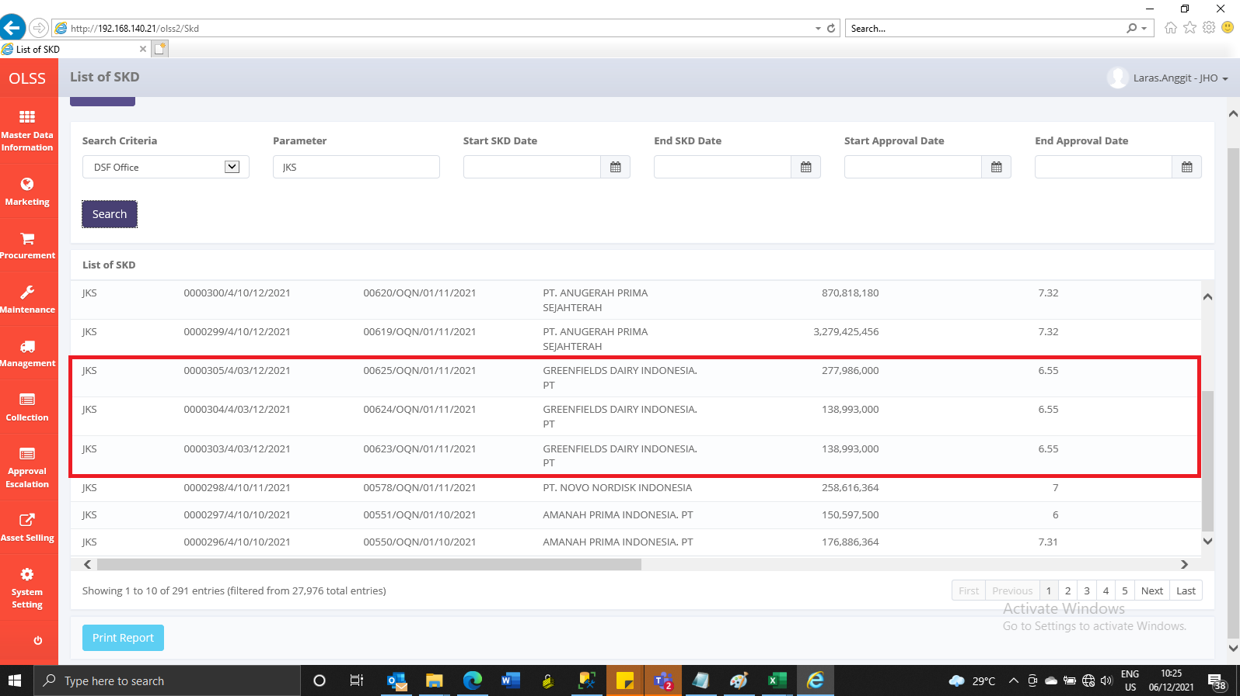

GANTI NO SKD

BEFORE

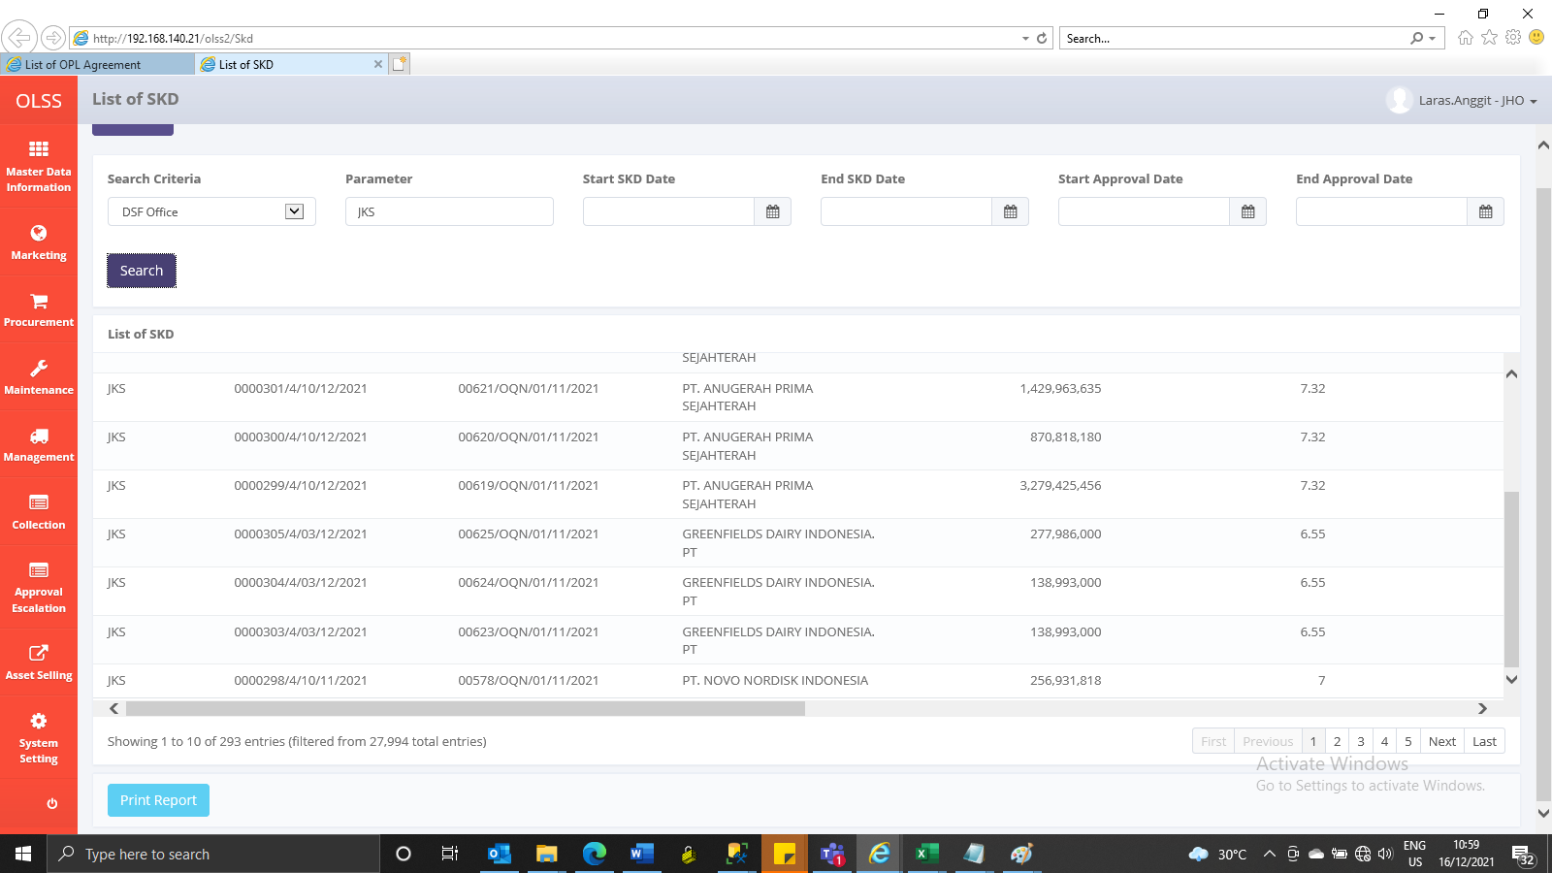

AFTER

